TEDB Edition 40
Figure 4.2. Class 2b and 3 Registrations by Fuel Type, 2014
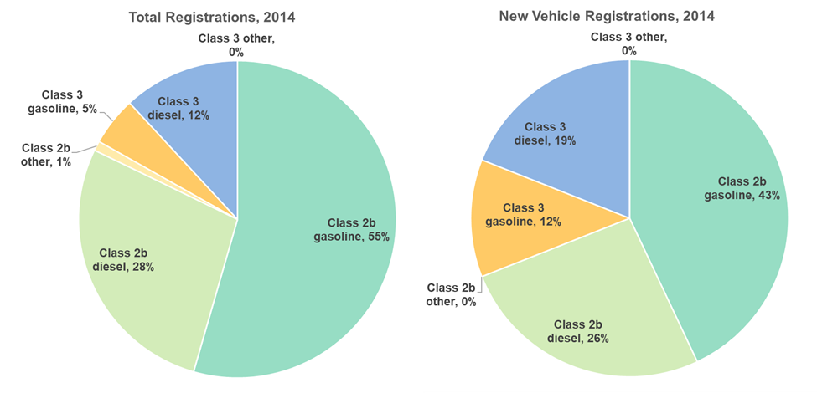

 |  | Total Registrations | New Vehicle Registrations
 | Class 2b gasoline | 55% | 43%
 | Class 2b diesel | 28% | 26%
 | Class 2b other | 1% | 0%
 | Class 3 gasoline | 5% | 12%
 | Class 3 diesel | 12% | 19%
 | Class 3 other | 0% | 0%

 | Source:
 | Birky, Alicia, et al., Electrification Beyond Light-Duty: Class 2b-3 Commercial Vehicles, ORNL/TM-2017/744, December 2017.

